Sheet1
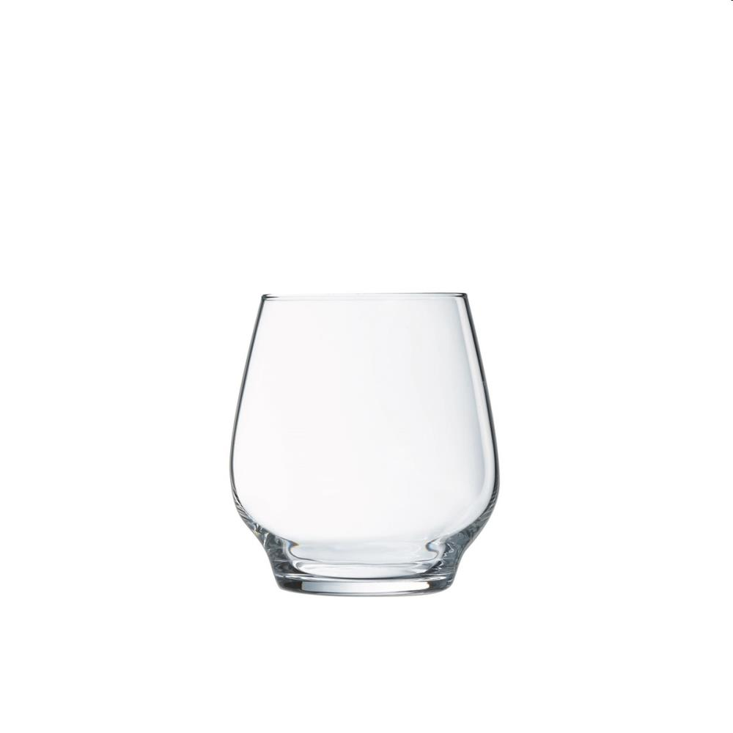
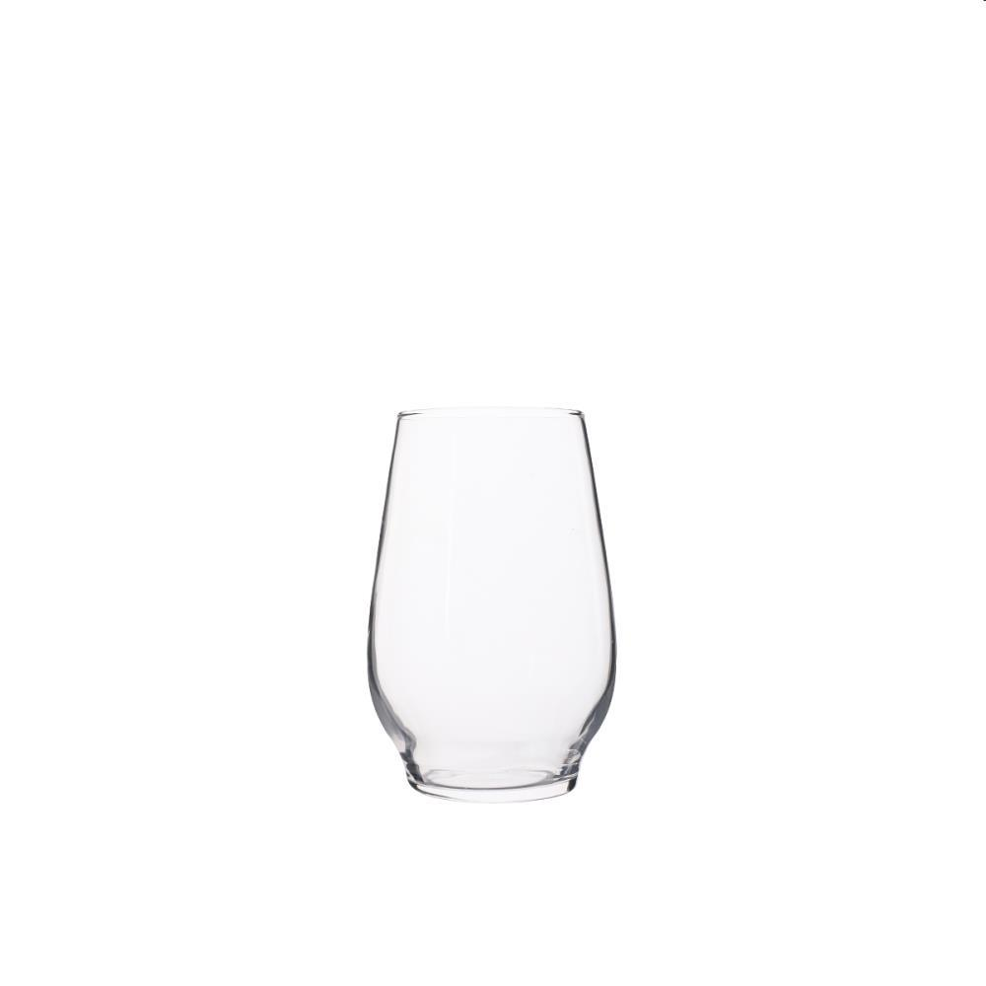

Picture | Item code | Description | Extra information | Restriction | Stock | Sales price EXW | Retail price | Barcode | Quantity PU | Quantity pallet | Pallet | Origin | Customs code | Item weight | Languages on package | Group
 | 20860 | L'Atelier du Vin, Set of 2 Glasses 33CL | CY0691 | No sales in France | 17185 | 1.19 | 0 | 8718973062339 | 6 | 672 | Europallet 120x80 | F | 7013379100 | 310 | fr en de | L'Atelier du Vin
 | S-10683 | L'Atelier du Vin, Set of 2 Glasses 38CL | CY0690 | No sales in France & Benelux | 288 |  |  | 8718973062308 | 6 | 684 | Europallet 120x80 | F | 7013379100 | 300 | FR, DE, NL | L'Atelier du Vin
 | S-10682 | L'Atelier du Vin, Set of 2 Glasses 33CL | CY0691 | No sales in France & Benelux | 286 |  |  | 8718973062339 | 6 | 672 | Europallet 120x80 | F | 7013379100 | 3100 | FR, EN, DE | L'Atelier du Vin

